Transfers and shuttles
SA INTERNATIONAL TRAVEL & TOURS |  |  |  |  |  |  |  | Tel : +27790900169
 | saintltravelntours@outlook.com
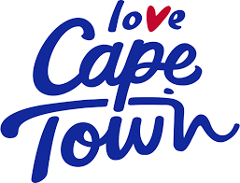
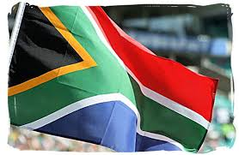

 | RATES - Rands

 | AIRPORT TRANSFERS | Luxury | Luxury | Spacious |  | Private Chauffeur Drive
 | No. Of Pax | Audi A6 | Mercedes Vito | Quantum |  | Rate | 450 per hour |  | Audi A6
 |  | 5 seater | 7 seater | 9 seater |  |  | 700 per hour |  | Mercedes Vito
 | 1 | 350 |  |  |  |  | 900 per hour |  | Toyota Quantum
 | 2 | 375 |  |  |  | Note :-
 | 3 | 400 |  |  |  | 1) All rates are for 1 to 3 pax
 | 4 to 7 | 425 | 600 |  |  | 2) 4 pax rates can be negotiated
 | 8 to 13 |  |  |  | 850 | 3) Car seats are available at no extra cost
 |  |  |  |  |  | 4) Groups easily accomodated

Cape Town Airport – Stellenbosch |  | R 400 | 600 |  | 700 | After hours add 100 rand on top of quoted price.
Cape Town Airport – Somerset West |  | R 450 | 675 |  | 790 | After hours are from 22h30 to 06h30.
Cape Town Airport – Strand |  | R 470 | 700 |  | 825 | Hire of private driver can be arranged.
Cape Town Airport – Franschhoek |  | R 740 | 1100 |  | 1250 | Half day & full day Tours on request .
Cape Town Airport – Paarl |  | R 740 | 1100 |  | 1250
Cape Town Airport – Hermanus |  | R 1200 | 1800 |  | 2000 | Airport - Meet and greet - take the hassle
 |  |  |  |  |  | out of arrivals.
 | TRANSFERS FROM VNA/SEAPOINT/CAPE CASTLE AREAS |  |  |  | One way

Destination |  | Audi A6 | Merc Vito |  | Quantum
Aquila Game Reserve |  | 2000 | 3500 |  | 4300
Athlone |  | 200 | 345 |  | 455
Atlantic Beach Golf Course |  | 400 | 690 |  | 915
Access Park Kenilworth |  | 250 | 430 |  | 570
Blue Downs |  | 350 | 600 |  | 850
Blouberg |  | 350 | 600 |  | 850
Belville |  | 350 | 600 |  | 850
Boulders Beach |  | 450 | 775 |  | 1030
Camps Bay |  | 100 | 175 |  | 230
Canal Walk |  | 200 | 345 |  | 455
Cape Point |  | 1000 | 1715 |  | 2285
Century City |  | 200 | 345 |  | 455
City Centre |  | 90 | 155 |  | 205
Claremont |  | 300 | 515 |  | 685
Clifton |  | 100 | 170 |  | 230
Constantia |  | 350 | 600 |  | 850
Delft |  | 380 | 650 |  | 870
Fishhoek |  | 350 | 600 |  | 850
Franschoek |  | 750 | 1285 |  | 1715
Gordon's Bay |  | 550 | 945 |  | 1255
Grandwest Casino |  | 300 | 515 |  | 685
Hermanus |  | 1100 | 1885 |  | 2515
Hout Bay |  | 350 | 600 |  | 850
Kalk Bay |  | 350 | 600 |  | 850
Kirstenbosch |  | 300 | 515 |  | 685
Landsdowne |  | 200 | 345 |  | 455
Maitland |  | 200 | 345 |  | 455
Mitchell's Plain |  | 300 | 515 |  | 685
Mowbray |  | 100 | 175 |  | 230
M'zolis Gugulethu |  | 400 | 685 |  | 915
Muizenberg |  | 400 | 685 |  | 915
N1 City |  | 250 | 430 |  | 570
Newlands |  | 250 | 430 |  | 570
Paarden Island |  | 150 | 255 |  | 345
Paarl |  | 750 | 1285 |  | 1715
Pinelands |  | 200 | 345 |  | 455
Rondebosch |  | 250 | 430 |  | 570
Royal Cape Golf Course |  | 300 | 515 |  | 685
Sea Point |  | 80 | 135 |  | 185
Simons Town |  | 600 | 1030 |  | 1370
Somerset West |  | 450 | 770 |  | 1030
Spier Wine Estate |  | 600 | 1030 |  | 1370
Steinberg Wine Estate |  | 350 | 600 |  | 850
Stellenbosch |  | 500 | 855 |  | 1145
Strand |  | 500 | 855 |  | 1145
Table Mountain |  | 100 | 170 |  | 230
Table View |  | 400 | 685 |  | 915
Tygervalley Shopping Centre |  | 350 | 600 |  | 850
University of Cape Town |  | 250 | 430 |  | 570
V&A Waterfront |  | 50 | 85 |  | 115
Westlake Golf Course |  | 450 | 770 |  | 1030
Woodstock |  | 100 | 170 |  | 230
Wynberg |  | 350 | 600 |  | 850

Luxury vehicles, professional drivers, registered Company, R5 million public liability insurance.
Operating permits and licences in order.
Accredited Tour guide.

Tours
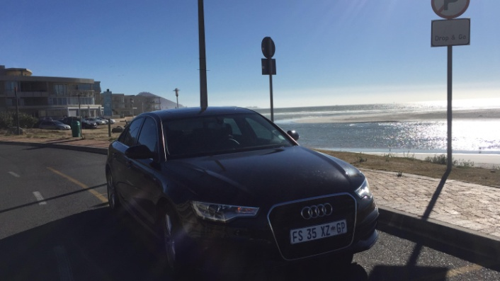
Executive Airport Transfers
This is an extension of our Shuttle Service and is aimed at executives transferring between hotels, airport & meetings. This service is targeted at both local and international business executives, and is available in Cape Town

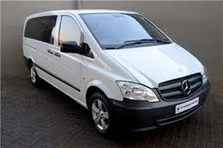
Tailored Meet, Greet and Assist Service
Our professional staff will accompany passengers upon arrival at the airport, before departure or onwards to a connecting flight as well as assist with check in and clearing of luggage.
This meet and assist service can be tailored to individual needs and is offered at Cape Town International Airport.

Taking a tour is a terrific way to discover Cape Town.
Booking one of our trips is a great way to get a feel for the city. Choose the detailed Cape Town City Tour and let our knowledgeable guides take you behind the scenes as you visit historic neighbourhoods like Bo-Kaap, St Georges Cathedral , buildings that still shape the city today. Then dip down into paradise valley where Cape Town’s elite reside beside the magnificent beaches of Camps Bay and Clifton.
Or get a new perspective, by heading out on the Cape Peninsula Tour, a relaxing and scenic drive around the coastline, to some of quaintest harbours towns, for a fresh view of the villages surrounding the city.
You can also let your appetite be your guide as you experience the finest wines and delish cheeses in the famous Cape Town Winelands Tour.
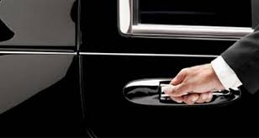
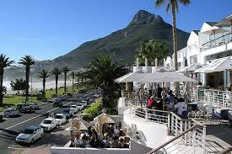
DETAILS
Half Day: R650 p/p @ group rate
Half Day: R1200 – p/p @Individual tour
Morning or afternoon options
Full Day: R950 p/p Group Rate
Full Day: R1900 p/p individual tour
Depart: 09:00
Return: 17:00

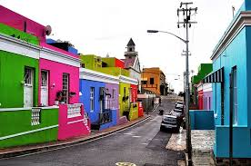
Cape Town City
Join us on this Mother City tour where you will encounter unique cultures, architecture, magical scenery and historic buildings, sites and statues. Experience the city’s fine and diverse architecture like St George’s Cathedral, District Six Museum, the Castle and many other places of intense cultural interest. The Bo-Kaap, is a colourful suburb and allows you to trace yet another facet of Cape Towns’ cultural and religious roots.
The Company’s Garden is steeped in history and the flora is magnificent. Green market square is one of Cape Town’s oldest markets but also a place frequented by Capetonians who have been buying their clothing, jewellery and crafts for years. Fascinating African curios feature predominately giving you that “all that’s Africa” feeling. The market is surrounded by magnificent old buildings with artefacts served to you on quaint cobblestones populated by some of the city’s most colourful and eccentric characters.

HIGHLIGHTS
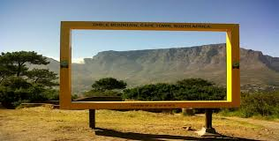
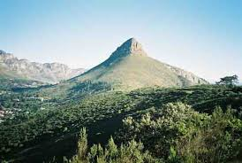
Jewellery and Diamond Manufacturing Centre
South African Museum & the Company Gardens
Visit to St Georges Cathedral
Parliament buildings
District 6 Museum & Castle of Good Hope
Malay Quarter/ Bo-Kaap
Green Market Square
Signal Hill
Shimanskys Diamond Museum
Jewellery and Diamond Manufacturing Centre

Shark Cage Diving
Our exclusive shark diving trips are led by “SA’s leading shark lady” who has many years experience, including the Two Oceans Aquarium and international research projects on Great White Sharks. The entire dive team are committed to marine conservation and education. In case you’re wondering …NO, you don’t need experience diving, the adventure team will teach you everything you need to know to safely enjoy this experience. There are even special rates for children, so be encouraged to dive as a family and experience these incredible apex predators together. Shark cage diving has to be on most bucket-lists around the world because it is such an exhilarating experience. |  | 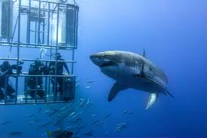

Early pick up at your hotel, en route to Gansbaai. Breakfast and safety briefing. Launch from Gansbaai Harbour. Anchor near Shark Alley and start cage-diving.
Enjoy the interaction with one of the nature’s most awesome predators. Viewing of Great White Sharks, seals, various birdlife and whales in season.

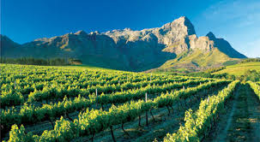
DETAILS
R2500 per person – group rate
R4000 p/p Individual rate
Depart: 05:00
Return: 17:00

Wine Estate
Spend a day visiting world class wine farms and wineries, tasting award winning wine and savouring the natural beauty of one of South Africa’s most popular tourism destinations.

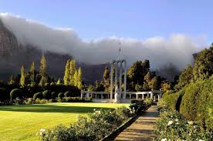
Stellenbosch Winelands
The Stellenbosch winelands are considered to be the capital of the South African wine industry. With more than 200 estates currently operating and are many are leaders in viticulture and research.
It’s a place of culture, romance and soul. Being the second oldest settlement in South Africa it’s also you great insight into the country’s history. Visit the museums, or have a coffee in the quaint coffee (“koffie”) shops and be transported back to the time of horse-drawn carriages and chandeliers.

Franschhoek
Franschhoek is notable for having some of the top restaurants in the country within its borders. This fact, together with the strong wine culture, and pristine natural and architectural beauty has made Franschhoek into the “food and wine capital” of South Africa.

HIGHLIGHTS

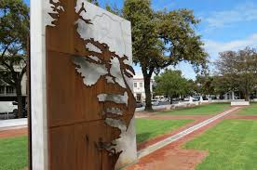
Stellenbosch – City orientation
Free walk around historical town
Visit 3 Vineyards. Includes1 free wine tasting
Choose from Cheese Tasting, Beer or Chocolate
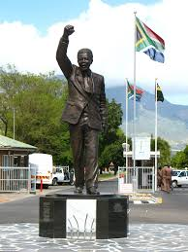
View Nelson Mandela’s former prison – optional
Franschhoek
Historical village
Huguenot memorial (optional)
Helshoogte Pass

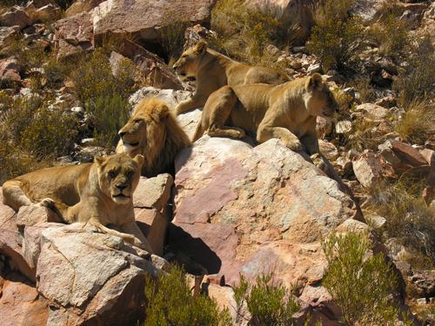
DETAILS
Half Day: @ R950 p/p Group Rate
Half Day: @ R1250 p/p Individual Rate
Full Day:Full Day: @ R1400 p/p Group Rate
Full Day: @ R1600 p/p Individual Rate
Depart: 09:00
Return: 17:00

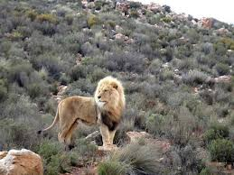
Day Safari
The day safari is at one of the Capes’ exclusive Private Game Reserve with its unique geography and area specific mountains and kloofs. The fauna is characteristic only to this area and is known as Fynbos, Renosterveldt and succulent Karoo.
It’s a beautiful drive and only 2 hours outside of Cape Town. The team will be there to welcome you with cocktails. See Africa’s finest wild animals roaming freely in the bush; Lion, Elephant, Giraffe, Rhino, Hippo, Zebra, Wildebeest, Bontebok, Hartebeest, Gemsbok, Eland, Springbok and Ostrich are all resident on the reserve and can be sited from the open 4 x 4 safari vehicles. This is a great safari day out and a very popular tour.
An African safari gives you the chance to glimpse rare and powerful creatures, immersing yourself in the wilderness of Africa and filling your senses with its raw beauty.
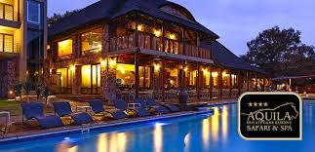
HIGHLIGHTS

Travel via the wine region & Klein Karoo
Welcome drinks on arrival
Game drive in open air 4×4
Lunch under the shade of trees or in the boma-style restaurant
Relax by the pool in summer or by the fireplace in winter
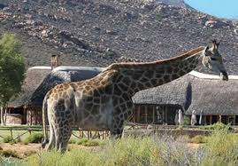
Return to Cape Town via the Huguenot tunnel

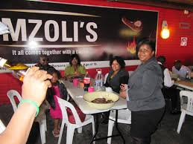
DETAILS
R2500 p/p @ group rate
Depart: 09:00
Return: 18:00

Township Tour
Destinations

District Six Museum – closed on Sundays (includes fees)
Langa (oldest formal township)
Traditional Healer (Sangoma)
Craft Markets
Lunch at township restaurant
Visit to tourism Centre and House of Coffees in Khayelistha
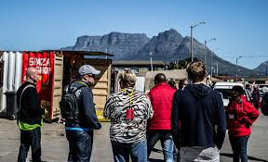
Visit an African craft market, spaza shop and orphanage.
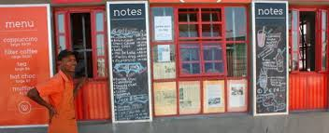
Visit to beading project

DETAILS
Half Day: R950 p/p @ group rate
Depart: 09:00
Return: 15:00

Cape Peninsula
This scenic tour takes you through charming historical villages and along the rugged and unspoilt coastlines of the Cape until you reach the mythical meeting of the Atlantic and Indian Oceans. A full day is recommended.
Clifton and Camps Bay
Clifton and Camps Bay beaches have been awarded Blue Flag status. The beaches are separated by falls of granite boulders and have almost pure white granitic sand. The four beaches of Clifton are one of the few areas well protected from the notorious south-easterly wind, which make it extremely popular with bathers. Camps Bay is the largest white sand beach in the area and is opposite Camps Bay’s main tourist hub, featuring multiple hotels, top restaurants, and shops. | 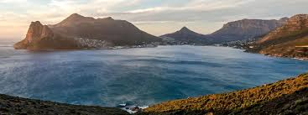
Hout Bay and Seal Island Boat Trip
Hout Bay is a historic and still-working fishing village. It scenery is picturesque scenery and the harbour is characteristic of an old world fishing village combined with with restaurants, fresh fish outlets and a fantastic indoor craft market. You can enjoy spectacular views of the bay. Chapman’s Peak Drive is one of the world’s most scenic mountain drives and offers you breathe taking ocean views.

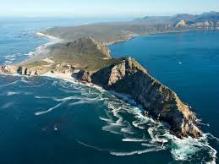
Cape Point
At Cape Point we drive through this world famous nature reserve and may even spot wild animals like ostrich, zebra, and antelope Cape Point symbolises the point where cold Benguela Current of the Atlantic Ocean and the warm Agulhas Current of the Indian ocean collide. Cape Point is unspoiled and undeveloped and is an important haven for seabirds and you will enjoy unusual vegetation at Cape Point called Sandstone Fynbos. Fishing is good along the coast but the unpredictable swells make angling from the rocks very dangerous. It is the highlight of any visit to Cape Town.
Simon’s Town and Penguin Colony
As we travel along False Bay it opens to the east and north of Cape Point where we visit the well-known naval port of Simon’s Town. The bay is also famous for its great white sharks, which hunt the Cape Fur Seals. It boasts a charming coastal town atmosphere and a vibrant history. We visit the quaint harbour, museums and other interesting spots along the way. One being Boulders Beach, which is one of the only places in the world that you can swim alongside penguins.

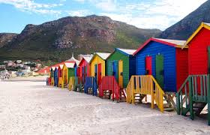
Kalk Bay
Then onto Kalk Bay a quaint suburb packed with antique stores, coffee shops, galleries, second-hand bookstores and restaurants. Whales can be spotted from June to November. Essentially Kalk Bay is a fishing village and has a small lively working harbour, with resident seals and fisherman who happily sell you fresh fish straight off the boat.
Muizenberg
Muizenberg has recently experienced a massive rejuvenation and you can enjoy the grand architecture of its Victorian times as Muizenberg was an exclusive seaside resort for the rich and famous.
Its long wide expanse of sandy beach , colourful bathing boxes and offers warmer water for swimmers. Muizenberg beach front is the hot spot for surfing and kite surfing.

Kirstenbosch Botanical Gardens
Kirstenbosch National Botanical Garden is acclaimed as one of the great botanic gardens of the world. Few gardens can match the sheer grandeur of the setting of Kirstenbosch set against the eastern slopes of Cape Town’s Table Mountain. An enchanted garden experience!

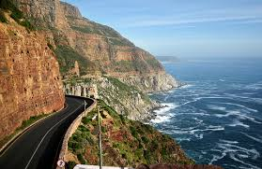
HIGHLIGHTS
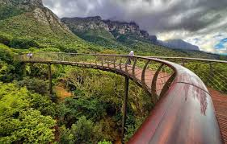
Clifton & Camps Bay
Twelve Apostles
Hout Bay
Chapmans Peak Drive (includes fee)
Ostrich viewing drive by
Cape Point & Cape of Good Hope

ADDITIONAL IN FULL DAY:

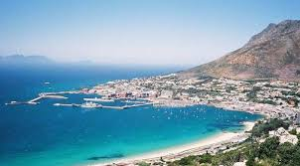
Penguin Colony (fee excluded)
Simons Town
Muizenberg
Constantia
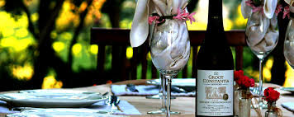
Kirstenbosch Botanical Gardens (optional – time permitting)

DETAILS
Price: R1200 p/p @ group rate
Price: R1500 p/p @ individual rate
Depart: 09:00
Return: 17:30

Whale Watching
Cape Town is one of the best destinations worldwide for watching whales, whether from land or boats, with spectacular annual visits from southern right and humpback whales. Hermanus has been recognized by the WWF (World Wildlife Fund) as one of the 12 best whale watching destinations in the world. The best time to enjoy whale watching in Hermanus is between July and November either from land, by boat or from the air via a scenic flight. The whale viewing during the months of July and August vary from year to year with regards to how many whales are present in Walker Bay and along the coast; however you are almost guaranteed of seeing whales in September, October and November. |  | 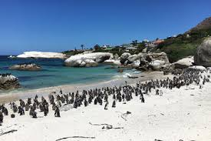
Hermanus, particularly Walker Bay, is the mating and breeding grounds of the Southern Right Whale during the winter and spring months (from June to November). Southern Right Whales migrate from the Antarctic around June to calve and mate. Calving takes place in August and September and the males arrive for mating in October when the whale population peaks. At certain points whales can be seen playing as close as five meters from shore.

HIGHLIGHTS
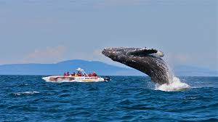
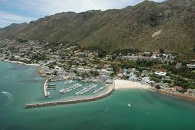
Gordon’s Bay, Pringle Bay & Betty’s Bay
The Harold Porter Botanical Gardens
Experience local wine estate (optional)
Rotary Drive
Hermanus
Land Based whale watching
Whale-watching boat trip

DETAILS
Price: R1200 per person – group rate.
Price: R2400 per person – individual rate
Depart: 08:00 – 09:00
Return: 17:30

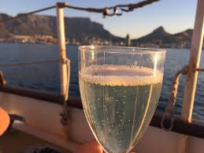
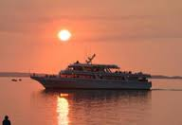
Sunset Cruise
This is by far the most popular choice of cruising. We’ll take you on a memorable cruise towards the horizon during our 1½ hour Champagne Sunset Cruise either to Clifton 4th Beach or into Table Bay as we watch the sunset. Accompanied by snack basket and champagne.

DETAILS
Price: R1200 p/p@ group rate
Enquire about departure times

